IR Backup Cover Sheet
X0AO
X0AO
X0AO
BACKUP Q3 2025
DEUTSCHE TELEKOM |  |  | 2 | Q3 | 2025

 | Check out our IR website www.telekom.com/investor-relations for:

 | § This backup in .pdf and excel-format
 | § The IR calendar
 | § Detailed information for debt investors
 | § Shareholder structure
 | § Corporate governance

 | For further information on the business units please refer to:

 | www.telekom.com
 | www.telekom.de
 | www.t-mobile.com
 | www.t-systems.com

 | Investor Relations, Bonn office
 | Phone | +49 228 181 - 8 88 80
 | Fax | +49 228 181 - 8 88 99
 | E-Mail | investor.relations@telekom.de

 | The figures shown in this report were rounded in accordance with standard business rounding principles. As a result, the total indicated may not be equal to the precise sum of the individual figures.

Content
X1AO
X1AO
X1AO
X6AO
X6AO
X6AO
X27AO
X27AO
X27AO
X6AO
X6AO
X6AO
X41AO
X41AO
X41AO
X47AO
X47AO
X47AO
X66AO
X66AO
X66AO
X6AO
X6AO
X6AO
X27AO
X27AO
X27AO
X6AO
X6AO
X6AO
X41AO
X41AO
X41AO
X47AO
X47AO
X47AO
X66AO
X66AO
X66AO
X6AO
X6AO
X6AO
X27AO
X27AO
X27AO
X6AO
X6AO
X6AO
X41AO
X41AO
X41AO
X47AO
X47AO
X47AO
X66AO
X66AO
X66AO
X1AO
X1AO
X1AO
X6AO
X6AO
X6AO
X27AO
X27AO
X27AO
X6AO
X6AO
X6AO
X41AO
X41AO
X41AO
X47AO
X47AO
X47AO
X66AO
X66AO
X66AO
X6AO
X6AO
X6AO
X27AO
X27AO
X27AO
X6AO
X6AO
X6AO
X41AO
X41AO
X41AO
X47AO
X47AO
X47AO
X66AO
X66AO
X66AO
CONTENT

 |  | GERMANY
At a Glance | 3 | Financials | 21
 |  | Operationals & Mobile Communication KPIs | 22
DT GROUP |  | Additional information | 23 - 24
Adjusted for special factors | 6
As reported | 7 | UNITED STATES
EBITDA Reconciliation | 8 | Financials | 26
Special Factors in the consolidated income statement | 9 | Operationals | 27 - 28
Consolidated statement of financial position | 10 - 11
Maturity profile | 12 | EUROPE
Liquidity reserves | 13 | Financials | 30
Net debt | 14
Net debt development | 15 | OTHER SEGMENTS
Cash capex | 16 | Group Development Financials | 32
Free cash flow | 17 | System Solutions Financials | 33
Personnel | 18 | GHS Financials | 34
Exchange rates | 19
 |  | GLOSSARY | 35

 |  |  |  | 0

At a glance
X2AO
X2AO
X2AO
X2AO
X2AO
X2AO
X2AO
X2AO
X2AO
DT GROUP |  |  |  |  |  |  |  |  |  |  | Back to Content
AT A GLANCE

 | Note | Q3 2024 millions of € | Q4 2024 millions of € | FY 2024 millions of € | Q1 2025 millions of € | Q2 2025 millions of € | Q3 2025 millions of € | Change % | Q1 - Q3 2024 millions of € | Q1 - Q3 2025 millions of € | Change %

REVENUE
Germany |  | 6,465 | 6,579 | 25,711 | 6,219 | 6,286 | 6,347 | (1.8) | 19,132 | 18,852 | (1.5)
United States |  | 18,293 | 20,462 | 75,046 | 19,800 | 18,597 | 18,763 | 2.6 | 54,584 | 57,160 | 4.7
Europe |  | 3,110 | 3,205 | 12,347 | 3,053 | 3,116 | 3,179 | 2.2 | 9,142 | 9,349 | 2.3
Systems Solutions |  | 991 | 1,039 | 4,004 | 1,009 | 1,013 | 1,014 | 2.3 | 2,966 | 3,037 | 2.4
Group Development |  | 0 | 3 | 10 | 2 | 2 | 2 | n.a. | 6 | 6 | (6.1)
Group Headquarters & Group Services |  | 552 | 567 | 2,226 | 549 | 551 | 537 | (2.8) | 1,659 | 1,637 | (1.4)
Reconciliation |  | (911) | (923) | (3,575) | (877) | (894) | (909) | 0.2 | (2,651) | (2,680) | (1.1)
DT GROUP |  | 28,501 | 30,932 | 115,769 | 29,755 | 28,671 | 28,935 | 1.5 | 84,838 | 87,361 | 3.0

NET REVENUE
Germany |  | 6,304 | 6,404 | 25,066 | 6,071 | 6,130 | 6,182 | (1.9) | 18,662 | 18,384 | (1.5)
United States |  | 18,289 | 20,459 | 75,035 | 19,797 | 18,592 | 18,759 | 2.6 | 54,576 | 57,147 | 4.7
Europe |  | 3,041 | 3,149 | 12,126 | 3,001 | 3,057 | 3,109 | 2.2 | 8,977 | 9,167 | 2.1
Systems Solutions |  | 832 | 871 | 3,377 | 850 | 854 | 847 | 1.7 | 2,506 | 2,551 | 1.8
Group Development |  | (1) | 2 | 8 | 2 | 1 | 2 | n.a. | 5 | 5 | (11.5)
Group Headquarters & Group Services |  | 35 | 47 | 158 | 35 | 37 | 36 | 0.9 | 111 | 107 | (3.4)
DT GROUP |  | 28,501 | 30,932 | 115,769 | 29,755 | 28,671 | 28,935 | 1.5 | 84,838 | 87,361 | 3.0

SERVICE REVENUE
Germany |  | 5,655 | 5,708 | 22,480 | 5,591 | 5,659 | 5,669 | 0.2 | 16,771 | 16,919 | 0.9
United States |  | 15,215 | 15,863 | 61,143 | 16,081 | 15,380 | 15,603 | 2.6 | 45,280 | 47,064 | 3.9
Europe |  | 2,622 | 2,577 | 10,239 | 2,564 | 2,633 | 2,709 | 3.3 | 7,662 | 7,907 | 3.2
Systems Solutions |  | 958 | 1,004 | 3,883 | 1,008 | 1,013 | 1,014 | 5.8 | 2,878 | 3,034 | 5.4
Group Development |  | n.a. | n.a. | n.a. | n.a. | 0 | 0 | n.a. | n.a. | 0 | n.a.
Group Headquarters & Group Services |  | 239 | 257 | 972 | 243 | 244 | 243 | 1.6 | 715 | 729 | 2.0
Reconciliation |  | (562) | (573) | (2,179) | (530) | (545) | (569) | (1.2) | (1,606) | (1,644) | (2.3)
DT GROUP |  | 24,127 | 24,837 | 96,537 | 24,957 | 24,384 | 24,670 | 2.2 | 71,700 | 74,011 | 3.2

EBITDA (ADJUSTED FOR SPECIAL FACTORS)
Germany |  | 2,888 | 2,813 | 11,138 | 2,789 | 2,758 | 2,895 | 0.3 | 8,325 | 8,443 | 1.4
United States |  | 8,458 | 8,379 | 33,437 | 8,853 | 8,462 | 8,382 | (0.9) | 25,058 | 25,697 | 2.6
Europe |  | 1,306 | 1,204 | 4,939 | 1,270 | 1,299 | 1,366 | 4.6 | 3,735 | 3,935 | 5.4
Systems Solutions |  | 125 | 127 | 462 | 104 | 119 | 150 | 20.5 | 335 | 373 | 11.5
Group Development |  | (12) | (8) | (32) | (8) | (10) | (9) | 25.6 | (23) | (27) | (17.4)
Group Headquarters & Group Services |  | (80) | (248) | (515) | (106) | (98) | (102) | (27.5) | (267) | (307) | (15.0)
Reconciliation |  | 4 | (2) | (6) | (7) | (2) | (8) | n.a. | (5) | (17) | n.a.
DT GROUP |  | 12,689 | 12,265 | 49,423 | 12,895 | 12,528 | 12,675 | (0.1) | 37,158 | 38,097 | 2.5
Proportional EBITDA |  | 8,187 | 7,900 | 31,743 | 8,323 | 8,179 | 8,340 | 1.9 | 23,843 | 24,843 | 4.2

EBITDA AL (ADJUSTED FOR SPECIAL FACTORS)
Germany |  | 2,731 | 2,656 | 10,516 | 2,634 | 2,605 | 2,733 | 0.1 | 7,859 | 7,972 | 1.4
United States |  | 7,245 | 7,131 | 28,545 | 7,623 | 7,299 | 7,195 | (0.7) | 21,414 | 22,117 | 3.3
Europe |  | 1,180 | 1,074 | 4,431 | 1,141 | 1,170 | 1,235 | 4.6 | 3,356 | 3,545 | 5.6
Systems Solutions |  | 102 | 102 | 369 | 81 | 96 | 127 | 23.7 | 267 | 303 | 13.7
Group Development |  | (12) | (8) | (32) | (8) | (10) | (9) | 25.6 | (23) | (27) | (17.4)
Group Headquarters & Group Services |  | (154) | (321) | (801) | (166) | (157) | (159) | (3.3) | (480) | (482) | (0.4)
Reconciliation |  | 4 | (2) | (6) | (7) | (2) | (8) | n.a. | (4) | (17) | n.a.
DT GROUP |  | 11,096 | 10,632 | 43,021 | 11,297 | 10,999 | 11,115 | 0.2 | 32,389 | 33,411 | 3.2
Proportional EBITDA AL |  | 7,216 | 6,895 | 27,839 | 7,341 | 7,229 | 7,369 | 2.1 | 20,944 | 21,940 | 4.8

DT Group
X6AO
X6AO
X6AO
X27AO
X27AO
X27AO
X6AO
X6AO
X6AO
X41AO
X41AO
X41AO
X47AO
X47AO
X47AO
X66AO
X66AO
X66AO
X1AO
X1AO
X1AO
X6AO
X6AO
X6AO
X27AO
X27AO
X27AO
X6AO
X6AO
X6AO
X41AO
X41AO
X41AO
X47AO
X47AO
X47AO
X66AO
X66AO
X66AO
X6AO
X6AO
X6AO
X27AO
X27AO
X27AO
X6AO
X6AO
X6AO
X41AO
X41AO
X41AO
X47AO
X47AO
X47AO
X66AO
X66AO
X66AO
X1AO
X1AO
X1AO
X6AO
X6AO
X6AO
X27AO
X27AO
X27AO
X6AO
X6AO
X6AO
X41AO
X41AO
X41AO
X47AO
X47AO
X47AO
X66AO
X66AO
X66AO
X6AO
X6AO
X6AO
X27AO
X27AO
X27AO
X6AO
X6AO
X6AO
X41AO
X41AO
X41AO
X47AO
X47AO
X47AO
X66AO
X66AO
X66AO
X6AO
X6AO
X6AO
X27AO
X27AO
X27AO
X6AO
X6AO
X6AO
X41AO
X41AO
X41AO
X47AO
X47AO
X47AO
X66AO
X66AO
X66AO
X1AO
X1AO
X1AO
X6AO
X6AO
X6AO
X27AO
X27AO
X27AO
X6AO
X6AO
X6AO
X41AO
X41AO
X41AO
X47AO
X47AO
X47AO
X66AO
X66AO
X66AO
X6AO
X6AO
X6AO
X27AO
X27AO
X27AO
X6AO
X6AO
X6AO
X41AO
X41AO
X41AO
X47AO
X47AO
X47AO
X66AO
X66AO
X66AO
CONTENT |  |  |  | DT

 |  | GERMANY
At a Glance | 3 | Financials | 21
 |  | Operationals & Mobile Communication KPIs | 22
DT GROUP |  | Additional information | 23 - 24
Adjusted for special factors | 6
As reported | 7 | UNITED STATES
EBITDA Reconciliation | 8 | Financials | 26
Special Factors in the consolidated income statement | 9 | Operationals | 27 - 28
Consolidated statement of financial position | 10 - 11
Maturity profile | 12 | EUROPE
Liquidity reserves | 13 | Financials | 30
Net debt | 14
Net debt development | 15 | OTHER SEGMENTS
Cash capex | 16 | Group Development Financials | 32
Free cash flow | 17 | System Solutions Financials | 33
Personnel | 18 | GHS Financials | 34
Exchange rates | 19
 |  | GLOSSARY | 35

 |  |  |  |  | 0

Cons. Income Statement adj.
X7AO
X7AO
X7AO
X7AO
X7AO
X7AO
X7AO
X7AO
X7AO
X7AO
X7AO
X7AO
X7AO
X7AO
X7AO
X7AO
X7AO
X7AO
DT CONSOLIDATED INCOME STATEMENT |  |  |  |  |  |  |  |  |  |  |  | Back to Content
ADJUSTED FOR SPECIAL FACTORS

 |  | Note | Q3 2024 millions of € | Q4 2024 millions of € | FY 2024 millions of € | Q1 2025 millions of € | Q2 2025 millions of € | Q3 2025 millions of € | Change % | Q1 - Q3 2024 millions of € | Q1 - Q3 2025 millions of € | Change %

NET REVENUE |  |  | 28,503 | 30,933 | 115,778 | 29,755 | 28,671 | 28,935 | 1.5 | 84,846 | 87,361 | 3.0
Other operating income |  |  | 221 | 328 | 1,004 | 215 | 252 | 281 | 27.1 | 676 | 748 | 10.8
Changes in inventories |  |  | (5) | (25) | 4 | 0 | (8) | 0 | n.a. | 29 | (8) | n.a.
Own capitalized costs |  |  | 646 | 690 | 2,630 | 659 | 665 | 684 | 5.9 | 1,940 | 2,008 | 3.5
Goods and services purchased |  |  | (11,139) | (13,728) | (47,108) | (11,643) | (11,257) | (11,410) | (2.4) | (33,379) | (34,310) | (2.8)
Personnel costs |  |  | (4,362) | (4,657) | (17,905) | (4,768) | (4,616) | (4,648) | (6.6) | (13,248) | (14,032) | (5.9)
Other operating expenses |  |  | (1,176) | (1,276) | (4,981) | (1,324) | (1,180) | (1,167) | 0.7 | (3,705) | (3,671) | 0.9
Depreciation, amortization, and impairment losses |  |  | (5,808) | (6,036) | (23,570) | (6,012) | (5,717) | (5,900) | (1.6) | (17,534) | (17,629) | (0.5)
PROFIT (LOSS) FROM OPERATIONS (EBIT) |  |  | 6,881 | 6,229 | 25,853 | 6,883 | 6,810 | 6,775 | (1.5) | 19,624 | 20,468 | 4.3
EBIT margin (EBIT / net revenue) | % |  | 24.1 | 20.1 | 22.3 | 23.1 | 23.8 | 23.4 | (0.7p) | 23.1 | 23.4 | 0.3p
Profit (loss) from financial activities |  |  | (1,727) | (1,206) | (5,610) | (1,511) | (1,467) | (1,432) | 17.1 | (4,404) | (4,410) | (0.1)
of which: finance costs |  |  | (1,426) | (1,400) | (5,653) | (1,509) | (1,453) | (1,432) | (0.4) | (4,253) | (4,394) | (3.3)
PROFIT (LOSS) BEFORE INCOME TAXES (EBT) |  |  | 5,154 | 5,023 | 20,243 | 5,372 | 5,343 | 5,343 | 3.7 | 15,220 | 16,058 | 5.5
Income taxes |  |  | (1,297) | (1,199) | (5,065) | (1,442) | (1,334) | (1,279) | 1.4 | (3,866) | (4,056) | (4.9)
PROFIT (LOSS) AFTER INCOME TAXES |  |  | 3,857 | 3,824 | 15,179 | 3,930 | 4,008 | 4,064 | 5.4 | 11,355 | 12,002 | 5.7

PROFIT (LOSS) |  |  | 3,857 | 3,824 | 15,179 | 3,930 | 4,008 | 4,064 | 5.4 | 11,355 | 12,002 | 5.7
Profit (loss) attributable to non-controlling interests |  |  | 1,522 | 1,478 | 5,782 | 1,488 | 1,504 | 1,394 | (8.4) | 4,304 | 4,386 | 1.9
NET PROFIT (LOSS) |  |  | 2,335 | 2,346 | 9,397 | 2,442 | 2,504 | 2,670 | 14.3 | 7,051 | 7,617 | 8.0

Cons. Income Statement rep.
X9AO
X9AO
X9AO
X9AO
X9AO
X9AO
X9AO
X9AO
X9AO
X7AO
X7AO
X7AO
X7AO
X7AO
X7AO
X7AO
X7AO
X7AO
X7AO
X7AO
X7AO
X7AO
X7AO
X7AO
X7AO
X7AO
X7AO
X7AO
X7AO
X7AO
X7AO
X7AO
X7AO
X7AO
X7AO
X7AO
DT CONSOLIDATED INCOME STATEMENT
AS REPORTED

 | Note | Q3 2024 millions of € | Q4 2024 millions of € | FY 2024 millions of € | Q1 2025 millions of €

NET REVENUE |  | 28,501 | 30,932 | 115,769 | 29,755
Other operating income |  | 233 | 3,094 | 3,913 | 323
Changes in inventories |  | (5) | (25) | 4 | 0
Own capitalized costs |  | 646 | 690 | 2,628 | 658
Goods and services purchased |  | (11,199) | (13,820) | (47,374) | (11,667)
Personnel costs |  | (4,614) | (4,926) | (19,004) | (4,956)
...

EBITDA Reconciliation
X8AO
X8AO
X8AO
X8AO
X8AO
X8AO
X8AO
X8AO
X8AO
X9AO
X9AO
X9AO
X9AO
X9AO
X9AO
X9AO
X9AO
X9AO
X7AO
X7AO
X7AO
X7AO
X7AO
X7AO
X7AO
X7AO
X7AO
DT Group
EBITDA RECONCILIATION

 | Note | Q3 2024 millions of € | Q4 2024 millions of € | FY 2024 millions of € | Q1 2025 millions of €

NET PROFIT (LOSS) |  | 2,957 | 4,182 | 11,209 | 2,845
+ Profit (loss) attributable to non-controlling interests |  | 1,461 | 2,389 | 6,448 | 1,485
= Profit (loss) |  | 4,418 | 6,571 | 17,657 | 4,330
- Income taxes |  | (1,273) | (1,730) | (5,301) | (1,519)
= Profit (loss) before income taxes = EBT |  | 5,691 | 8,301 | 22,958 | 5,849
- Profit (loss) from financial activities |  | (446) | (172) | (3,319) | (917)
...

Special Factors
X10AO
X10AO
X10AO
X10AO
X10AO
X10AO
X10AO
X10AO
X10AO
X8AO
X8AO
X8AO
X8AO
X8AO
X8AO
X8AO
X8AO
X8AO
X9AO
X9AO
X9AO
X9AO
X9AO
X9AO
X9AO
X9AO
X9AO
X7AO
X7AO
X7AO
X7AO
X7AO
X7AO
X7AO
X7AO
X7AO
X8AO
X8AO
X8AO
X8AO
X8AO
X8AO
X8AO
X8AO
X8AO
X9AO
X9AO
X9AO
X9AO
X9AO
X9AO
X9AO
X9AO
X9AO
X7AO
X7AO
X7AO
X7AO
X7AO
X7AO
X7AO
X7AO
X7AO
DT Group
SPECIAL FACTORS IN THE CONSOLIDATED INCOME STATEMENT

 | Note | Q3 2024 millions of € | Q4 2024 millions of € | FY 2024 millions of € | Q1 2025 millions of €

NET REVENUE |  | (2) | (1) | (9) | 0
Other operating income |  | 12 | 2,766 | 2,908 | 108
Changes in inventories |  | 0 | 0 | 0 | 0
Own capitalized costs |  | 0 | 0 | (2) | (1)
Goods and services purchased |  | (60) | (91) | (266) | (23)
Personnel costs |  | (252) | (270) | (1,099) | (189)
...

Group Assets
X15AO
X15AO
X15AO
X15AO
X15AO
X15AO
X15AO
X15AO
X15AO
X14AO
X14AO
X14AO
X14AO
X14AO
X14AO
X14AO
X14AO
X14AO
X12AO
X12AO
X12AO
X12AO
X12AO
X12AO
X12AO
X12AO
X12AO
X10AO
X10AO
X10AO
X10AO
X10AO
X10AO
X10AO
X10AO
X10AO
X8AO
X8AO
X8AO
X8AO
X8AO
X8AO
X8AO
X8AO
X8AO
X9AO
X9AO
X9AO
X9AO
X9AO
X9AO
X9AO
X9AO
X9AO
X7AO
X7AO
X7AO
X7AO
X7AO
X7AO
X7AO
X7AO
X7AO
X15AO
X15AO
X15AO
X15AO
X15AO
X15AO
X15AO
X15AO
X15AO
X14AO
X14AO
X14AO
X14AO
X14AO
X14AO
X14AO
X14AO
X14AO
X12AO
X12AO
X12AO
X12AO
X12AO
X12AO
X12AO
X12AO
X12AO
X10AO
X10AO
X10AO
X10AO
X10AO
X10AO
X10AO
X10AO
X10AO
X8AO
X8AO
X8AO
X8AO
X8AO
X8AO
X8AO
X8AO
X8AO
X9AO
X9AO
X9AO
X9AO
X9AO
X9AO
X9AO
X9AO
X9AO
X7AO
X7AO
X7AO
X7AO
X7AO
X7AO
X7AO
X7AO
X7AO
Consolidated Statement of Financial Position
ASSETS

 | Note | Sep. 30 2024 millions of € | Dec. 31 2024 millions of € | Mar. 31 2025 millions of € | Jun. 30 2025 millions of €

CURRENT ASSETS |  | 40,121 | 37,161 | 47,820 | 41,382
Cash and cash equivalents |  | 12,204 | 8,472 | 17,008 | 10,441
Trade and other receivables |  | 14,340 | 16,411 | 15,868 | 14,938
Contract assets |  | 2,574 | 2,711 | 2,725 | 2,801
Current recoverable income taxes |  | 328 | 445 | 426 | 387
Other financial assets |  | 4,824 | 4,418 | 4,643 | 4,730
...

Group Liabilities
X15AO
X15AO
X15AO
X15AO
X15AO
X15AO
X15AO
X15AO
X15AO
X14AO
X14AO
X14AO
X14AO
X14AO
X14AO
X14AO
X14AO
X14AO
X12AO
X12AO
X12AO
X12AO
X12AO
X12AO
X12AO
X12AO
X12AO
X10AO
X10AO
X10AO
X10AO
X10AO
X10AO
X10AO
X10AO
X10AO
X8AO
X8AO
X8AO
X8AO
X8AO
X8AO
X8AO
X8AO
X8AO
X9AO
X9AO
X9AO
X9AO
X9AO
X9AO
X9AO
X9AO
X9AO
X7AO
X7AO
X7AO
X7AO
X7AO
X7AO
X7AO
X7AO
X7AO
X15AO
X15AO
X15AO
X15AO
X15AO
X15AO
X15AO
X15AO
X15AO
X14AO
X14AO
X14AO
X14AO
X14AO
X14AO
X14AO
X14AO
X14AO
X12AO
X12AO
X12AO
X12AO
X12AO
X12AO
X12AO
X12AO
X12AO
X10AO
X10AO
X10AO
X10AO
X10AO
X10AO
X10AO
X10AO
X10AO
X8AO
X8AO
X8AO
X8AO
X8AO
X8AO
X8AO
X8AO
X8AO
X9AO
X9AO
X9AO
X9AO
X9AO
X9AO
X9AO
X9AO
X9AO
X7AO
X7AO
X7AO
X7AO
X7AO
X7AO
X7AO
X7AO
X7AO
Consolidated Statement of Financial Position
LIABILITIES AND SHAREHOLDERS' EQUITY

 | Note | Sep. 30 2024 millions of € | Dec. 31 2024 millions of € | Mar. 31 2025 millions of € | Jun. 30 2025 millions of €

LIABILITIES |  | 196,216 | 206,294 | 207,205 | 191,777
CURRENT LIABILITIES |  | 34,828 | 35,182 | 38,844 | 36,826
Financial liabilities |  | 11,500 | 9,852 | 13,969 | 13,049
Lease liabilities |  | 5,435 | 5,674 | 5,491 | 5,229
Trade and other payables |  | 7,718 | 9,489 | 8,854 | 8,910
Income tax liabilities |  | 823 | 736 | 1,019 | 867
...

Maturity
DT GROUP EXCLUDING TMUS | Back to Content
MATURITY PROFILE AS OF September 30, 2025
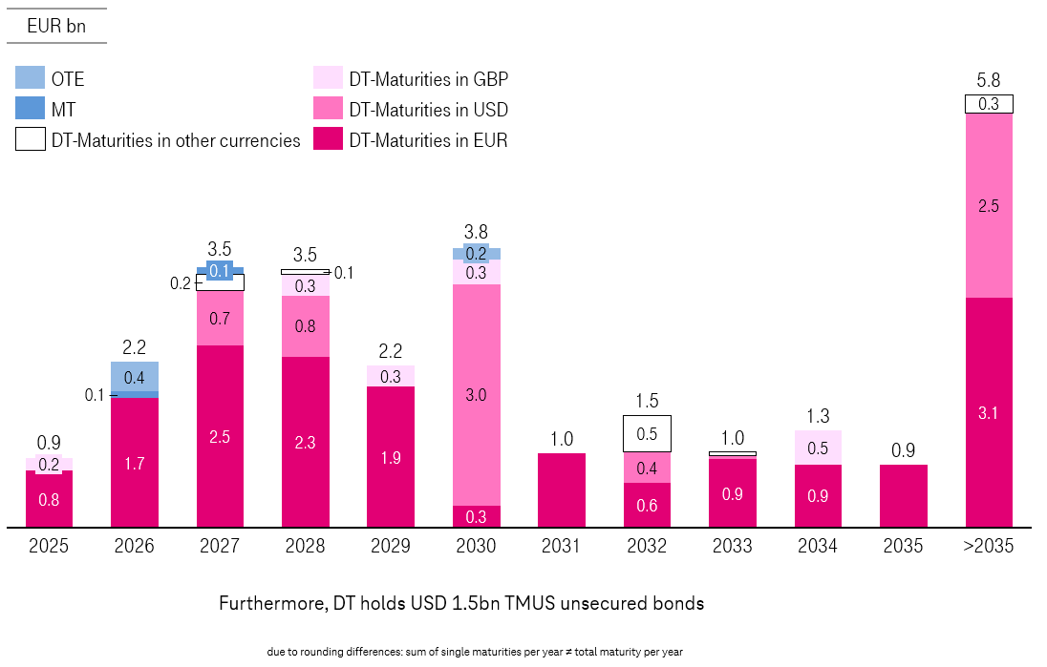

Strong Liquidity
DT Group excluding TMUS | Back to Content
STRONG LIQUIDITY PROFILE AS OF September 30, 2025
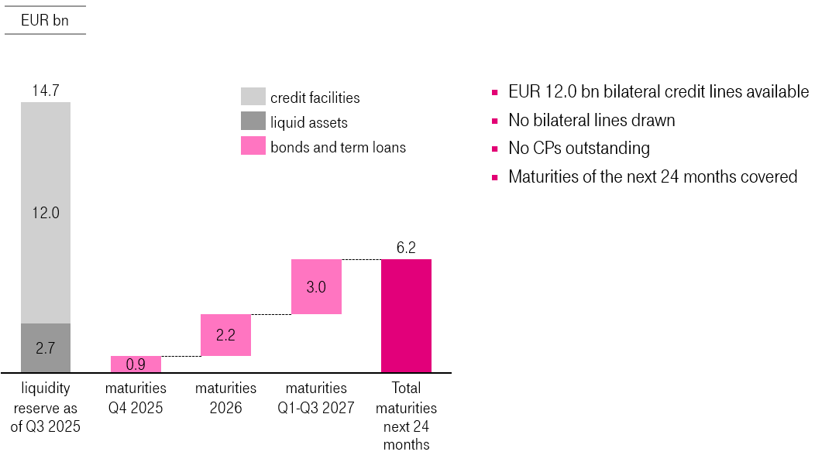

Net Debt
X11AO
X11AO
X11AO
X11AO
X11AO
X11AO
X11AO
X11AO
X11AO
X10AO
X10AO
X10AO
X10AO
X10AO
X10AO
X10AO
X10AO
X10AO
X8AO
X8AO
X8AO
X8AO
X8AO
X8AO
X8AO
X8AO
X8AO
X9AO
X9AO
X9AO
X9AO
X9AO
X9AO
X9AO
X9AO
X9AO
X7AO
X7AO
X7AO
X7AO
X7AO
X7AO
X7AO
X7AO
X7AO
DT Group
NET DEBT

 | Note | Sep. 30 2024 millions of € | Dec. 31 2024 millions of € | Mar. 31 2025 millions of € | Jun. 30 2025 millions of €

Bonds |  | 92,131 | 96,184 | 100,752 | 92,111
Other financial liabilities |  | 51,584 | 52,913 | 51,280 | 48,147
GROSS DEBT |  | 143,715 | 149,097 | 152,032 | 140,258
Cash and cash equivalents |  | 12,204 | 8,472 | 17,008 | 10,441
Other financial assets |  | 2,788 | 3,298 | 3,084 | 3,281
NET DEBT | 1 | 128,723 | 137,327 | 131,940 | 126,535
...

ND Development
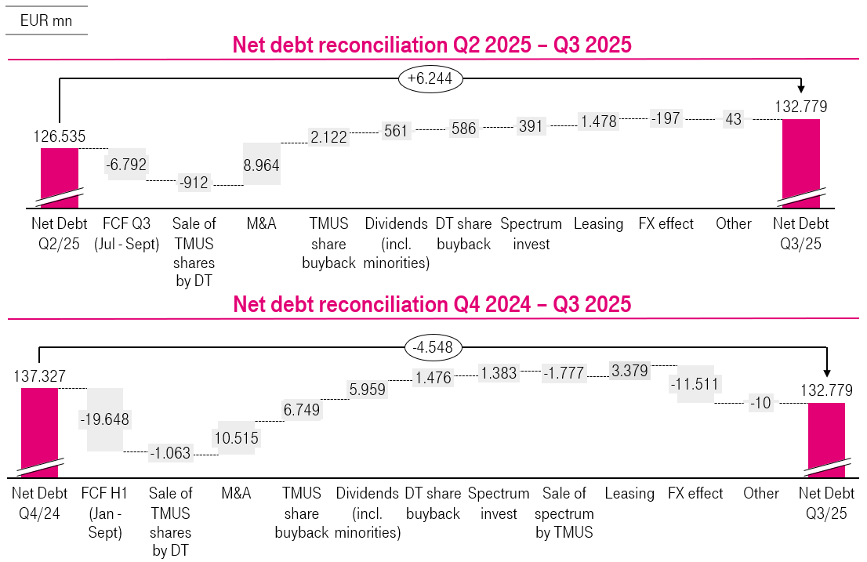
DT Group | Back to Content
NET DEBT DEVELOPMENT Q3 2025 1

1 Including net debt reported under liabilities directly associated with non-current assets and disposal groups held for sale.

Cash Capex
X22AO
X22AO
X22AO
X22AO
X22AO
X22AO
X22AO
X22AO
X22AO
DT GROUP
CASH CAPEX

 | Note | Q3 2024 millions of € | Q4 2024 millions of € | FY 2024 millions of € | Q1 2025 millions of €

CASH CAPEX
Germany |  | 1,084 | 1,145 | 4,782 | 1,249
United States |  | 4,011 | 2,881 | 11,410 | 2,390
Europe |  | 449 | 488 | 1,919 | 575
Systems Solutions |  | 47 | 59 | 229 | 57
Group Development |  | 1 | 2 | 4 | 1
...

Free Cash Flow
X23AO
X23AO
X23AO
X23AO
X23AO
X23AO
X23AO
X23AO
X23AO
X11AO
X11AO
X11AO
X11AO
X11AO
X11AO
X11AO
X11AO
X11AO
X10AO
X10AO
X10AO
X10AO
X10AO
X10AO
X10AO
X10AO
X10AO
X8AO
X8AO
X8AO
X8AO
X8AO
X8AO
X8AO
X8AO
X8AO
X9AO
X9AO
X9AO
X9AO
X9AO
X9AO
X9AO
X9AO
X9AO
X7AO
X7AO
X7AO
X7AO
X7AO
X7AO
X7AO
X7AO
X7AO
DT Group
FREE CASH FLOW

 | Note | Q3 2024 millions of € | Q4 2024 millions of € | FY 2024 millions of € | Q1 2025 millions of €

Net profit (loss) |  | 2,957 | 4,182 | 11,209 | 2,845
Profit (loss) attributable to non-controlling interests |  | 1,461 | 2,389 | 6,448 | 1,485
PROFIT (LOSS) AFTER INCOME TAXES |  | 4,418 | 6,571 | 17,657 | 4,330
Depreciation, amortization and impairment losses |  | 5,830 | 6,127 | 24,027 | 6,013
Income tax expense/(benefit) |  | 1,273 | 1,730 | 5,301 | 1,519
Interest (income) and interest expenses |  | 1,433 | 1,407 | 5,686 | 1,516
...

Personnel
X24AO
X24AO
X24AO
X24AO
X24AO
X24AO
X24AO
X24AO
X24AO
X23AO
X23AO
X23AO
X23AO
X23AO
X23AO
X23AO
X23AO
X23AO
X11AO
X11AO
X11AO
X11AO
X11AO
X11AO
X11AO
X11AO
X11AO
X10AO
X10AO
X10AO
X10AO
X10AO
X10AO
X10AO
X10AO
X10AO
X8AO
X8AO
X8AO
X8AO
X8AO
X8AO
X8AO
X8AO
X8AO
X9AO
X9AO
X9AO
X9AO
X9AO
X9AO
X9AO
X9AO
X9AO
X7AO
X7AO
X7AO
X7AO
X7AO
X7AO
X7AO
X7AO
X7AO
X23AO
X23AO
X23AO
X23AO
X23AO
X23AO
X23AO
X23AO
X23AO
X11AO
X11AO
X11AO
X11AO
X11AO
X11AO
X11AO
X11AO
X11AO
X10AO
X10AO
X10AO
X10AO
X10AO
X10AO
X10AO
X10AO
X10AO
X8AO
X8AO
X8AO
X8AO
X8AO
X8AO
X8AO
X8AO
X8AO
X9AO
X9AO
X9AO
X9AO
X9AO
X9AO
X9AO
X9AO
X9AO
X7AO
X7AO
X7AO
X7AO
X7AO
X7AO
X7AO
X7AO
X7AO
DT Group
PERSONNEL

AT REPORTING DATE | Note | Sep. 30 2024 | Dec. 31 2024 | Mar. 31 2025 | Jun. 30 2025
...
Germany |  | 58,088 | 57,303 | 57,070 | 56,694
United States |  | 65,704 | 65,154 | 66,348 | 67,692
Europe |  | 32,817 | 32,761 | 32,565 | 32,253
Systems Solutions |  | 25,651 | 25,691 | 25,584 | 25,343
Group Development |  | 104 | 100 | 96 | 85
...

Exchange rates
X25AO
X25AO
X25AO
X25AO
X25AO
X25AO
X8AO
X8AO
X8AO
X8AO
X8AO
X8AO
X8AO
X8AO
X8AO
X9AO
X9AO
X9AO
X9AO
X9AO
X9AO
X9AO
X9AO
X9AO
X7AO
X7AO
X7AO
X7AO
X7AO
X7AO
X7AO
X7AO
X7AO
X8AO
X8AO
X8AO
X8AO
X8AO
X8AO
X8AO
X8AO
X8AO
X9AO
X9AO
X9AO
X9AO
X9AO
X9AO
X9AO
X9AO
X9AO
X7AO
X7AO
X7AO
X7AO
X7AO
X7AO
X7AO
X7AO
X7AO
X8AO
X8AO
X8AO
X8AO
X8AO
X8AO
X8AO
X8AO
X8AO
X9AO
X9AO
X9AO
X9AO
X9AO
X9AO
X9AO
X9AO
X9AO
X7AO
X7AO
X7AO
X7AO
X7AO
X7AO
X7AO
X7AO
X7AO
Exchange rates1
AVERAGE

 | Q3 2024 1 € | Q4 2024 1 € | FY 2024 1 € | Q1 2025 1 € | Q2 2025 1 €

US Dollar (USD) | 1.098 | 1.068 | 1.082 | 1.052 | 1.133
Czech korunas (CZK) | 25.194 | 25.246 | 25.123 | 25.083 | 24.923
Hungarian forints (HUF) | 394.148 | 407.516 | 395.274 | 405.017 | 404.178
Polish Zloty (PLN) | 4.283 | 4.307 | 4.306 | 4.202 | 4.262
Macedonian Denar (MKD) | 61.586 | 61.545 | 61.582 | 61.546 | 61.549
...

Germany
X1AO
X1AO
X1AO
X6AO
X6AO
X6AO
X27AO
X27AO
X27AO
X6AO
X6AO
X6AO
X41AO
X41AO
X41AO
X47AO
X47AO
X47AO
X66AO
X66AO
X66AO
X6AO
X6AO
X6AO
X27AO
X27AO
X27AO
X6AO
X6AO
X6AO
X41AO
X41AO
X41AO
X47AO
X47AO
X47AO
X66AO
X66AO
X66AO
X6AO
X6AO
X6AO
X27AO
X27AO
X27AO
X6AO
X6AO
X6AO
X41AO
X41AO
X41AO
X47AO
X47AO
X47AO
X66AO
X66AO
X66AO
X1AO
X1AO
X1AO
X6AO
X6AO
X6AO
X27AO
X27AO
X27AO
X6AO
X6AO
X6AO
X41AO
X41AO
X41AO
X47AO
X47AO
X47AO
X66AO
X66AO
X66AO
X6AO
X6AO
X6AO
X27AO
X27AO
X27AO
X6AO
X6AO
X6AO
X41AO
X41AO
X41AO
X47AO
X47AO
X47AO
X66AO
X66AO
X66AO
CONTENT

 |  | GERMANY
At a Glance | 3 | Financials | 21
 |  | Operationals & Mobile Communication KPIs | 22
DT GROUP |  | Additional information | 23 - 24
Adjusted for special factors | 6
As reported | 7 | UNITED STATES
EBITDA Reconciliation | 8 | Financials | 26
Special Factors in the consolidated income statement | 9 | Operationals | 27 - 28
Consolidated statement of financial position | 10 - 11
...

Germany Financials
X28AO
X28AO
X28AO
X28AO
X28AO
X28AO
X28AO
X28AO
X28AO
GERMANY
FINANCIALS (ADJUSTED FOR SPECIAL FACTORS)

 |  | Note | Q3 2024 millions of € | Q4 2024 millions of € | FY 2024 millions of € | Q1 2025 millions of €

TOTAL REVENUE |  |  | 6,468 | 6,580 | 25,721 | 6,219
NET REVENUE |  |  | 6,306 | 6,405 | 25,075 | 6,071
EBITDA |  |  | 2,888 | 2,813 | 11,138 | 2,789
EBITDA margin (EBITDA / total revenue) | % |  | 44.6 | 42.8 | 43.3 | 44.9
EBITDA AL |  |  | 2,731 | 2,656 | 10,516 | 2,634
EBITDA AL margin (EBITDA AL / total revenues) | % |  | 42.2 | 40.4 | 40.9 | 42.4
...

GE Operationals
X30AO
X30AO
X30AO
X30AO
X30AO
X30AO
X30AO
X30AO
X30AO
GERMANY
OPERATIONALS

 |  | Note | Q3 2024 | Q4 2024 | Q1 2025 | Q2 2025

GERMANY
ACCESS LINES
Fixed network | ('000) | 1 | 17,212 | 17,155 | 17,067 | 16,981
Broadband | ('000) | 1 | 15,136 | 15,152 | 15,145 | 15,126
Fiber | ('000) | 2 | 13,152 | 13,213 | 13,255 | 13,298
TV (incl. IPTV, SAT) | ('000) | 1 | 4,590 | 4,638 | 4,675 | 4,698
...

Ger Rev split Prod+Segm
X31AO
X31AO
X31AO
X31AO
X31AO
X31AO
X31AO
X31AO
X31AO
X11AO
X11AO
X11AO
X11AO
X11AO
X11AO
X11AO
X11AO
X11AO
X10AO
X10AO
X10AO
X10AO
X10AO
X10AO
X10AO
X10AO
X10AO
X8AO
X8AO
X8AO
X8AO
X8AO
X8AO
X8AO
X8AO
X8AO
X9AO
X9AO
X9AO
X9AO
X9AO
X9AO
X9AO
X9AO
X9AO
X7AO
X7AO
X7AO
X7AO
X7AO
X7AO
X7AO
X7AO
X7AO
Germany
REVENUE SPLIT - PRODUCTS

 | Note | Q3 2024 millions of € | Q4 2024 millions of € | FY 2024 millions of € | Q1 2025 millions of €

GERMANY |  | 6,465 | 6,579 | 25,711 | 6,219
SERVICE REVENUE |  | 5,655 | 5,708 | 22,480 | 5,591
FIXED SERVICE REVENUES |  | 3,948 | 4,009 | 15,735 | 3,896
of which Voice only customer revenues |  | 155 | 152 | 632 | 145
of which Broadband customer revenues |  | 1,875 | 1,892 | 7,473 | 1,904
of which TV customer revenues |  | 609 | 619 | 2,395 | 630
...

Ger Interconnection Rates
1 BNetzA approved the final glidepath for FTRs from 2019 until 2022, no changes in following years
2 The European Commission published new maximum price limits ("Eurorates") for mobile communications (MTR) and fixed line termination (FTR) of voice connections for all member states of the European Union.
3 FTR will increase to 0.07 cents/min on July 1st, 2021. A uniform FTR of 0.07 cents/min applies across Europe from 01.01.2022.
4 Layer 2 fees were granted for 4 years until end of 31.03.2021.
5 New Commitment model came into effect as of 1.04.2021
6 New Layer 2 and Layer 3 fees include €3,69 upfront equivalent to former €4,80 upfront
7 New Commitment model has a term of 10 years with follow-up period of 3 years
8 Unbundling fee lowered to 10,65€ from mid 2022 and Sub-loop unbundling fee to 6,92€ from mid 2022.
–
FIXED NETWORK |  |  | Back to Content
OVERVIEW DOM. TERMINATION & WHOLESALE FEES (EXCL. VAT)
1 BNetzA approved the final glidepath for FTRs from 2019 until 2022
2 The European Commission published new maximum price limits ("Eurorates") for mobile communications (MTR) and fixed line termination (FTR) of voice connections for all member states of the European Union.
3 FTR will increase to 0.07 cents/min on July 1st, 2021. A uniform FTR of 0.07 cents/min applies across Europe from 01.01.2022.
4 Layer 2 fees were granted for 4 years until end of 31.03.2021.
5 New Commitment model came into effect as of 1.04.2021
6 New Layer 2 and Layer 3 fees include €3,69 upfront equivalent to former €4,80 upfront
7 New Commitment model has a term of 10 years with follow-up period of 3 years
8 Unbundling fee lowered to 10,65€ from mid 2022 and Sub-loop unbundling fee to 6,92€ from mid 2022.
–
-
TERMINATION FEES IN CENT/MIN.1, 2, 3 | OLD | NEW
2023 | -- | 0.07
2024 | -- | 0.07
2025 | -- | 0.07

FULLY UNBUNDLED (“ULL“) 8 | OLD | NEW

Monthly fee | 11.19 | 10.65

SUB-LOOP UNBUNDLED (“SLU“) 8 | OLD | NEW

Monthly fee | 7.05 | 6.92

LAYER 2 BSA 4, 5, 6, 7 | Old Kontingent Model | New Commitment Model
VDSL 50 | 16.55 | 15.72
VDSL 100 | 18.05 | 17.72
VDSL 250 | 23.37 | 19.72

LAYER 3 BSA 5, 6, 7 | Old Kontingent Model | New Commitment Model
VDSL 50 | 18.18 | 18.07
VDSL 100 | 19.68 | 20.07
VDSL 250 | 27.55 | 24.73
...

United States
X1AO
X1AO
X1AO
X6AO
X6AO
X6AO
X27AO
X27AO
X27AO
X6AO
X6AO
X6AO
X41AO
X41AO
X41AO
X47AO
X47AO
X47AO
X66AO
X66AO
X66AO
X6AO
X6AO
X6AO
X27AO
X27AO
X27AO
X6AO
X6AO
X6AO
X41AO
X41AO
X41AO
X47AO
X47AO
X47AO
X66AO
X66AO
X66AO
X6AO
X6AO
X6AO
X27AO
X27AO
X27AO
X6AO
X6AO
X6AO
X41AO
X41AO
X41AO
X47AO
X47AO
X47AO
X66AO
X66AO
X66AO
X1AO
X1AO
X1AO
X6AO
X6AO
X6AO
X27AO
X27AO
X27AO
X6AO
X6AO
X6AO
X41AO
X41AO
X41AO
X47AO
X47AO
X47AO
X66AO
X66AO
X66AO
X6AO
X6AO
X6AO
X27AO
X27AO
X27AO
X6AO
X6AO
X6AO
X41AO
X41AO
X41AO
X47AO
X47AO
X47AO
X66AO
X66AO
X66AO
CONTENT

 |  | GERMANY
At a Glance | 3 | Financials | 21
 |  | Operationals & Mobile Communication KPIs | 22
DT GROUP |  | Additional information | 23 - 24
Adjusted for special factors | 6
As reported | 7 | UNITED STATES
EBITDA Reconciliation | 8 | Financials | 26
Special Factors in the consolidated income statement | 9 | Operationals | 27 - 28
Consolidated statement of financial position | 10 - 11
...

USA Financials
X42AO
X42AO
X42AO
UNITED STATES
FINANCIALS (ADJUSTED FOR SPECIAL FACTORS)

 |  | Note | Q3 2024 millions of € | Q4 2024 millions of € | FY 2024 millions of € | Q1 2025 millions of €

TOTAL REVENUE |  |  | 18,293 | 20,462 | 75,046 | 19,800
NET REVENUE |  |  | 18,289 | 20,459 | 75,035 | 19,797
EBITDA |  | 1 | 8,458 | 8,379 | 33,437 | 8,853
EBITDA margin (EBITDA / total revenues) | % |  | 46.2 | 40.9 | 44.6 | 44.7
EBITDA AL |  |  | 7,245 | 7,131 | 28,545 | 7,623
EBITDA AL margin (EBITDA AL / total revenues) | % |  | 39.6 | 34.8 | 38.0 | 38.5
...

USA Operational
X44AO
X44AO
X44AO
UNITED STATES
OPERATIONAL

 |  | Note | Q3 2024 | Q4 2024 | FY 2024 | Q1 2025

CUSTOMERS | ('000) |  | 127,492 | 129,528 | 129,528 | 130,910
- Postpaid | ('000) | 4,5,6 | 102,185 | 104,118 | 104,118 | 105,455
- Prepay | ('000) | 4.7 | 25,307 | 25,410 | 25,410 | 25,455
NET ADDS | ('000) |  | 1,599 | 2,036 | 6,324 | 1,382
- Postpaid | ('000) |  | 1,575 | 1,933 | 6,066 | 1,337
- Prepay | ('000) |  | 24 | 103 | 258 | 45
...

USA Operational LC
X45AO
X45AO
X45AO
X44AO
X44AO
X44AO
UNITED STATES
OPERATIONAL IN US-$

 |  | Note | Q3 2024 | Q4 2024 | FY 2024 | Q1 2025

CUSTOMERS | ('000) |  | 127,492 | 129,528 | 129,528 | 130,910
- Postpaid | ('000) | 4,5,6 | 102,185 | 104,118 | 104,118 | 105,455
- Prepay | ('000) | 4.7 | 25,307 | 25,410 | 25,410 | 25,455
NET ADDS | ('000) |  | 1,599 | 2,036 | 6,324 | 1,382
- Postpaid | ('000) |  | 1,575 | 1,933 | 6,066 | 1,337
- Prepay | ('000) |  | 24 | 103 | 258 | 45
...

Europe
X1AO
X1AO
X1AO
X6AO
X6AO
X6AO
X27AO
X27AO
X27AO
X6AO
X6AO
X6AO
X41AO
X41AO
X41AO
X47AO
X47AO
X47AO
X66AO
X66AO
X66AO
X6AO
X6AO
X6AO
X27AO
X27AO
X27AO
X6AO
X6AO
X6AO
X41AO
X41AO
X41AO
X47AO
X47AO
X47AO
X66AO
X66AO
X66AO
X6AO
X6AO
X6AO
X27AO
X27AO
X27AO
X6AO
X6AO
X6AO
X41AO
X41AO
X41AO
X47AO
X47AO
X47AO
X66AO
X66AO
X66AO
X1AO
X1AO
X1AO
X6AO
X6AO
X6AO
X27AO
X27AO
X27AO
X6AO
X6AO
X6AO
X41AO
X41AO
X41AO
X47AO
X47AO
X47AO
X66AO
X66AO
X66AO
X6AO
X6AO
X6AO
X27AO
X27AO
X27AO
X6AO
X6AO
X6AO
X41AO
X41AO
X41AO
X47AO
X47AO
X47AO
X66AO
X66AO
X66AO
CONTENT

 |  | GERMANY
At a Glance | 3 | Financials | 21
 |  | Operationals & Mobile Communication KPIs | 22
DT GROUP |  | Additional information | 23 - 24
Adjusted for special factors | 6
As reported | 7 | UNITED STATES
EBITDA Reconciliation | 8 | Financials | 26
Special Factors in the consolidated income statement | 9 | Operationals | 27 - 28
Consolidated statement of financial position | 10 - 11
...

Europe Financials
X48AO
X48AO
X48AO
X48AO
X48AO
X48AO
X48AO
X48AO
X48AO
EUROPE
FINANCIALS (ADJUSTED FOR SPECIAL FACTORS)

 |  | Note | Q3 2024 millions of € | Q4 2024 millions of € | FY 2024 millions of € | Q1 2025 millions of €

TOTAL REVENUE |  |  | 3,110 | 3,205 | 12,347 | 3,053
NET REVENUE |  |  | 3,041 | 3,149 | 12,126 | 3,001
EBITDA |  | 1 | 1,306 | 1,204 | 4,939 | 1,270
EBITDA margin (EBITDA / total revenue) | % |  | 42.0 | 37.6 | 40.0 | 41.6
EBITDA AL |  |  | 1,180 | 1,074 | 4,431 | 1,141
EBITDA AL margin (EBITDA AL / total revenue) | % |  | 37.9 | 33.5 | 35.9 | 37.4
...

Other Segments
X1AO
X1AO
X1AO
X6AO
X6AO
X6AO
X27AO
X27AO
X27AO
X6AO
X6AO
X6AO
X41AO
X41AO
X41AO
X47AO
X47AO
X47AO
X66AO
X66AO
X66AO
X6AO
X6AO
X6AO
X27AO
X27AO
X27AO
X6AO
X6AO
X6AO
X41AO
X41AO
X41AO
X47AO
X47AO
X47AO
X66AO
X66AO
X66AO
X6AO
X6AO
X6AO
X27AO
X27AO
X27AO
X6AO
X6AO
X6AO
X41AO
X41AO
X41AO
X47AO
X47AO
X47AO
X66AO
X66AO
X66AO
X1AO
X1AO
X1AO
X6AO
X6AO
X6AO
X27AO
X27AO
X27AO
X6AO
X6AO
X6AO
X41AO
X41AO
X41AO
X47AO
X47AO
X47AO
X66AO
X66AO
X66AO
X6AO
X6AO
X6AO
X27AO
X27AO
X27AO
X6AO
X6AO
X6AO
X41AO
X41AO
X41AO
X47AO
X47AO
X47AO
X66AO
X66AO
X66AO
CONTENT

 |  | GERMANY
At a Glance | 3 | Financials | 21
 |  | Operationals & Mobile Communication KPIs | 22
DT GROUP |  | Additional information | 23 - 24
Adjusted for special factors | 6
As reported | 7 | UNITED STATES
EBITDA Reconciliation | 8 | Financials | 26
Special Factors in the consolidated income statement | 9 | Operationals | 27 - 28
Consolidated statement of financial position | 10 - 11
...

Group Development Financials
X71AO
X71AO
X71AO
X71AO
X71AO
X71AO
X71AO
X71AO
X71AO
X8AO
X8AO
X8AO
X8AO
X8AO
X8AO
X8AO
X8AO
X8AO
X9AO
X9AO
X9AO
X9AO
X9AO
X9AO
X9AO
X9AO
X9AO
X7AO
X7AO
X7AO
X7AO
X7AO
X7AO
X7AO
X7AO
X7AO
GROUP DEVELOPMENT
FINANCIALS (ADJUSTED FOR SPECIAL FACTORS)

 |  | Note | Q3 2024 millions of € | Q4 2024 millions of € | FY 2024 millions of € | Q1 2025 millions of €

TOTAL REVENUE |  |  | 0 | 3 | 10 | 2
EBITDA |  |  | (12) | (8) | (32) | (8)
EBITDA AL |  |  | (12) | (8) | (32) | (8)
EBITDA margin (EBITDA / total revenue) | % |  | n.a. | n.a. | n.a. | n.a.
EBITDA AL margin (EBITDA AL / total revenues) | % |  | n.a. | n.a. | n.a. | n.a.
Depreciation, amortization and impairment losses |  |  | (1) | (1) | (3) | (1)
...

GHS Financials
X15AO
X15AO
X15AO
X15AO
X15AO
X15AO
X15AO
X15AO
X15AO
X14AO
X14AO
X14AO
X14AO
X14AO
X14AO
X14AO
X14AO
X14AO
X12AO
X12AO
X12AO
X12AO
X12AO
X12AO
X12AO
X12AO
X12AO
X10AO
X10AO
X10AO
X10AO
X10AO
X10AO
X10AO
X10AO
X10AO
X8AO
X8AO
X8AO
X8AO
X8AO
X8AO
X8AO
X8AO
X8AO
X9AO
X9AO
X9AO
X9AO
X9AO
X9AO
X9AO
X9AO
X9AO
X7AO
X7AO
X7AO
X7AO
X7AO
X7AO
X7AO
X7AO
X7AO
X15AO
X15AO
X15AO
X15AO
X15AO
X15AO
X15AO
X15AO
X15AO
X14AO
X14AO
X14AO
X14AO
X14AO
X14AO
X14AO
X14AO
X14AO
X12AO
X12AO
X12AO
X12AO
X12AO
X12AO
X12AO
X12AO
X12AO
X10AO
X10AO
X10AO
X10AO
X10AO
X10AO
X10AO
X10AO
X10AO
X8AO
X8AO
X8AO
X8AO
X8AO
X8AO
X8AO
X8AO
X8AO
X9AO
X9AO
X9AO
X9AO
X9AO
X9AO
X9AO
X9AO
X9AO
X7AO
X7AO
X7AO
X7AO
X7AO
X7AO
X7AO
X7AO
X7AO
Group Headquarters & Group Services
FINANCIALS (ADJUSTED FOR SPECIAL FACTORS)

 |  | Note | Q3 2024 millions of € | Q4 2024 millions of € | FY 2024 millions of € | Q1 2025 millions of €

TOTAL REVENUE |  |  | 552 | 567 | 2,226 | 549
NET REVENUE |  |  | 35 | 47 | 158 | 35
EBITDA |  |  | (80) | (248) | (515) | (106)
EBITDA margin (EBITDA / total revenue) | % |  | (14.5) | (43.8) | (23.1) | (19.4)
EBITDA AL |  |  | (154) | (321) | (801) | (166)
EBITDA AL margin (EBITDA AL / total revenue) | % |  | (27.9) | (56.7) | (36.0) | (30.2)
...

Glossary
X80AO
X80AO
X80AO
DT GROUP |  | Back to Content
GLOSSARY AND DISCLAIMER

 | In addition to financial information presented in accordance with IFRS, this presentation contains non-GAAP financial measures,
 | such as ... | which is defined as ...
 | EBIT | Abbreviation for EARNINGS BEFORE INTEREST AND TAXES. EBIT is equivalent to the P&L-line "Profit from operations".
 | Adj. EBIT | EBIT adjusted for special factors.
 | EBT | Abbreviation for EARNINGS BEFORE TAXES. EBT is equivalent to the P&L-line "Profit before income taxes".
 | Adj. EBT | EBT adjusted for special factors.
 | EBITDA | Abbreviation for EARNINGS BEFORE INTEREST, TAXES, DEPRECIATION AND AMORTIZATION. EBITDA is equivalent to EBIT before Depreciation and Amortization. Depreciation and Amortization is not a line in the P&L but provided in the notes as "Other disclosures".
 | Adj. EBITDA | EBITDA adjusted for special factors.
...

